Common in Significant modules-t
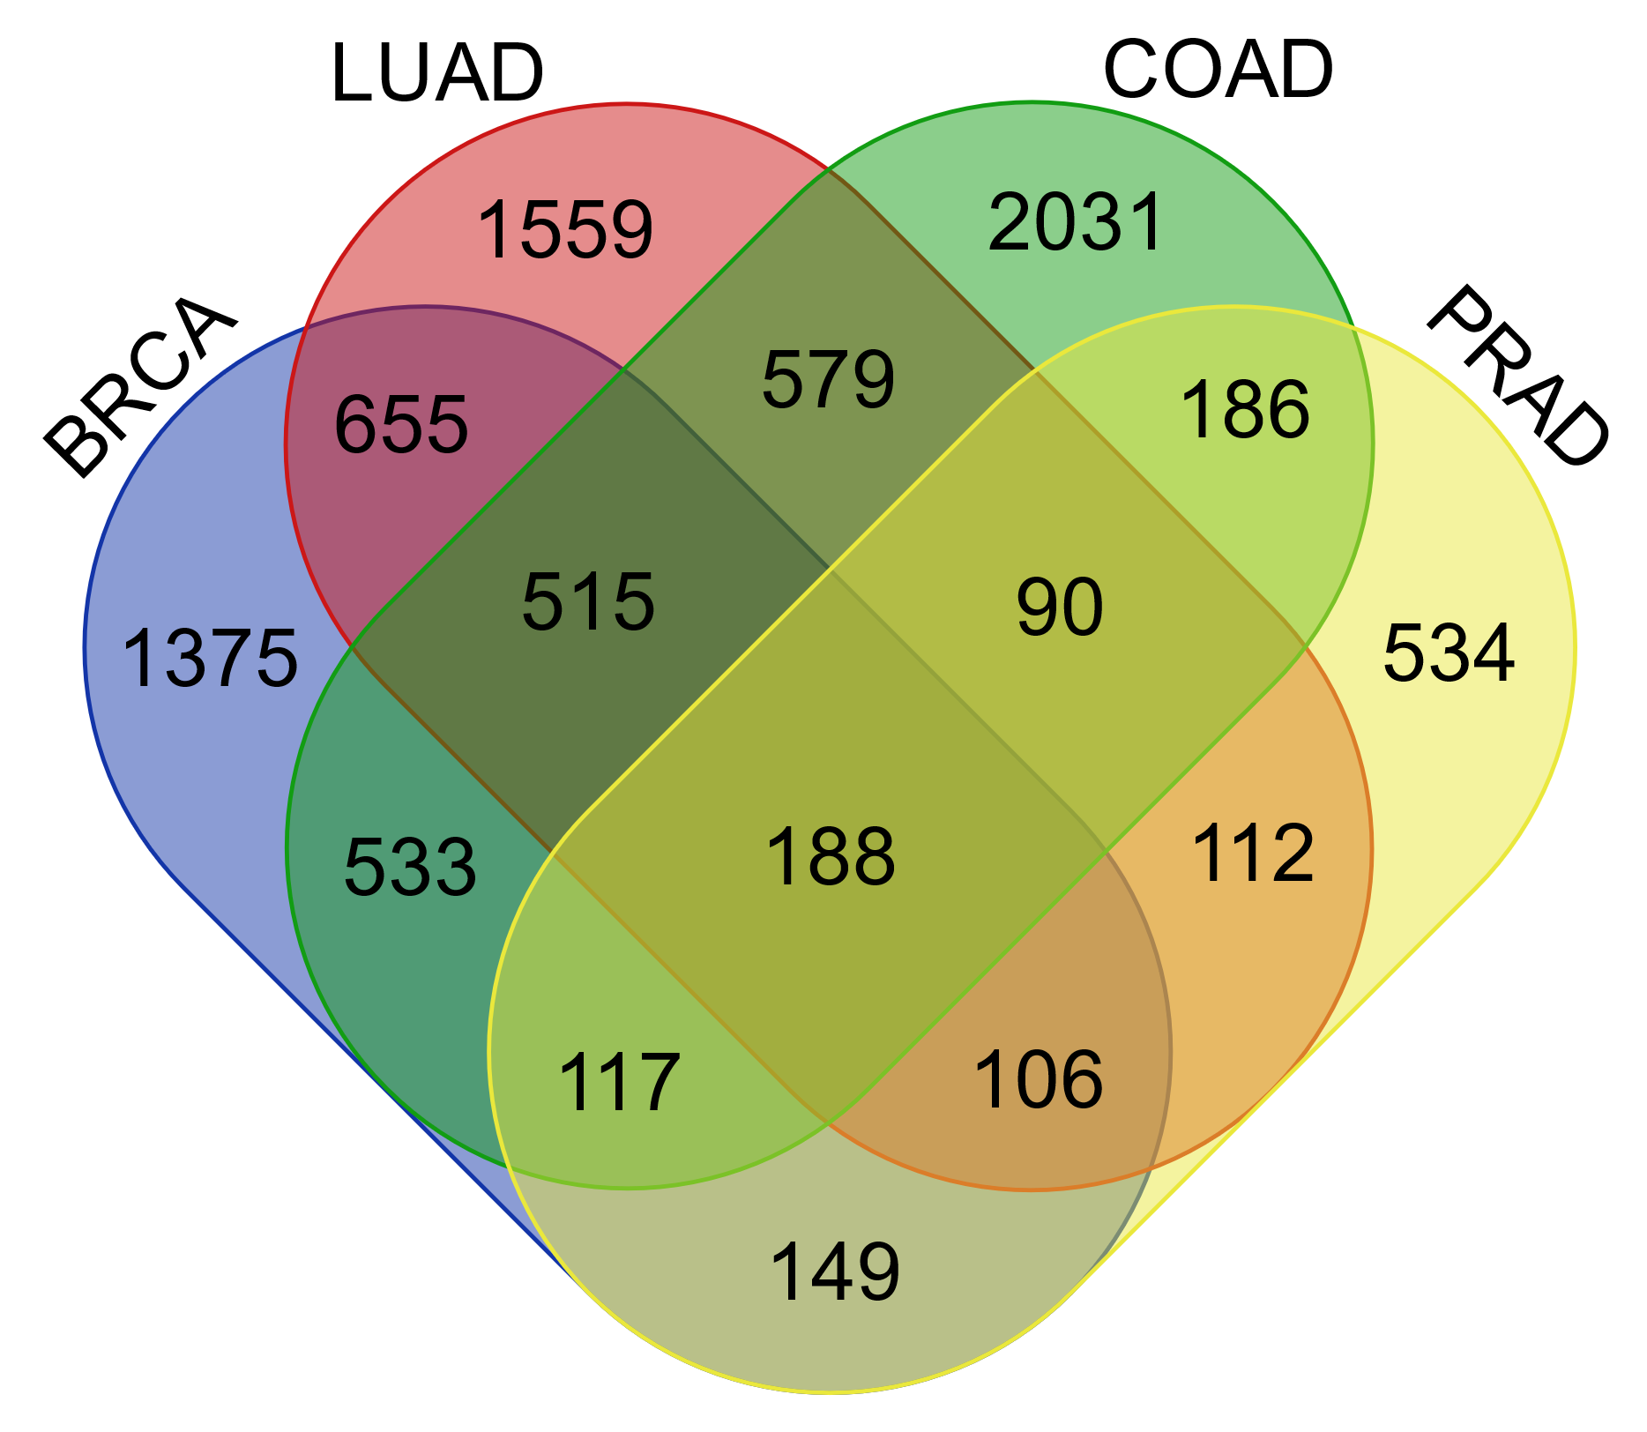
BRCA | COAD | LUAD | PRAD | BRAC_4-6 | Status | LUAD_3-7 | Status | COAD_4-13 | Status | PRAD_5-1 | Status | Common genes between DEGs and MODules | Entry | Entry Name | ENSEMBL | BRCA_log2FC | LUAD_log2FC | CUAD_log2FC | PRAD_log2FC | description
PDE1C | COL10A1 | Positive | FAM83A | Positive | ENSG00000250084 | Positive | HOXB13 | Positive | ABCG2 | Q9UNQ0 | ABCG2_HUMAN | ENSG00000118777 | -1.73234583 | -2.314569366 | -5.058840204 | -1.675041495 | ATP binding cassette subfamily G member 2
TNNT3 | MMP11 | Positive | PYCR1 | Positive | KRT37 | Positive | FOXA1 | Positive | ACTG2 | P63267 | ACTH_HUMAN | ENSG00000163017 | -3.568749321 | -1.778635337 | -3.543084596 | -1.918066897 | actin gamma 2, smooth muscle
GDF10 | NEK2 | Positive | IQGAP3 | Positive | LINC02178 | Positive | SPDEF | Positive | ADAMTS9-AS1 | NA | NA | ENSG00000241158 | -3.256315068 | -3.243760457 | -3.157742933 | -2.542138879 | ADAMTS9 antisense RNA 1
AKR1B15 | PKMYT1 | Positive | TEDC2 | Positive | ENSG00000284700 | Positive | KLK2 | Positive | ADAMTS9-AS2 | NA | NA | ENSG00000241684 | -3.84950672 | -2.383407469 | -2.975475997 | -1.75355489 | ADAMTS9 antisense RNA 2
ITPRID1 | LINC01614 | Positive | COL10A1 | Positive | CPMER | Positive | SIM2 | Positive | ADCYAP1R1 | P41586 | PACR_HUMAN | ENSG00000078549 | -3.197953467 | -2.560644468 | -4.823055893 | -1.892764053 | ADCYAP receptor type I
ADRA1A | KIF4A | Positive | TOP2A | Positive | LINC01210 | Positive | PRAC1 | Positive | ADGRB3 | O60242 | AGRB3_HUMAN | ENSG00000135298 | -2.680369504 | -2.698710987 | -4.147084936 | -1.809331204 | adhesion G protein-coupled receptor B3
FHL1 | CDC25C | Positive | CDC25C | Positive | ENSG00000227400 | Positive | PRAC2 | Positive | ADGRL3 | Q9HAR2 | AGRL3_HUMAN | ENSG00000150471 | -3.0725696 | -2.21970065 | -3.142016507 | -1.834624613 | adhesion G protein-coupled receptor L3
PPARGC1A | UHRF1 | Positive | ERCC6L | Positive | ENSG00000287796 | Positive | TTC6 | Positive | ADH1B | P00325 | ADH1B_HUMAN | ENSG00000196616 | -6.779008936 | -4.957414099 | -6.641787462 | -1.579843762 | alcohol dehydrogenase 1B
ADAMTS9-AS1 | IQGAP3 | Positive | FAM83A-AS1 | Positive | ENSG00000251248 | Positive | PERCC1 | Positive | ADRA1A | P35348 | ADA1A_HUMAN | ENSG00000120907 | -4.708496511 | -4.859870872 | -3.088194497 | -2.329122425 | adrenoceptor alpha 1A
GAS1RR | PLPP4 | Positive | KIF20A | Positive | ENSG00000251144 | Positive | DRAIC | Positive | ADRB1 | P08588 | ADRB1_HUMAN | ENSG00000043591 | -2.848038767 | -4.165671519 | -2.147711619 | 1.605617771 | adrenoceptor beta 1
TMEM132A | UBE2C | Positive | E2F8 | Positive | ENSG00000234859 | Positive | ADRB1 | Positive | AFF2 | P51816 | AFF2_HUMAN | ENSG00000155966 | -1.500126071 | -2.243125133 | -1.863863713 | -1.914472153 | ALF transcription elongation factor 2
LRFN5-DT | PCLAF | Positive | ADM2 | Positive | ENSG00000261402 | Positive | RAB3B | Positive | AKR1B15 | C9JRZ8 | AK1BF_HUMAN | ENSG00000227471 | -2.061387353 | 3.103218979 | -1.817075504 | -1.81804591 | aldo-keto reductase family 1 member B15
ADCYAP1R1 | PAFAH1B3 | Positive | SAPCD2 | Positive | DMRT1 | Positive | KLK3 | Positive | ANGPT1 | Q15389 | ANGP1_HUMAN | ENSG00000154188 | -2.789531682 | -2.815407573 | -1.50459856 | -2.390676382 | angiopoietin 1
DAAM2 | TROAP | Positive | ORC6 | Positive | SNORA54 | Positive | TRGC1 | Positive | ANGPTL1 | O95841 | ANGL1_HUMAN | ENSG00000116194 | -3.427407209 | -3.054125771 | -4.917778814 | -1.922317318 | angiopoietin like 1
ENSG00000282556 | ASF1B | Positive | UBE2T | Positive | NEUROG2-AS1 | Positive | EPS15-AS1 | Positive | ANO5 | Q75V66 | ANO5_HUMAN | ENSG00000171714 | -1.815521242 | -1.927818006 | -4.558806122 | -1.889262889 | anoctamin 5
TCEAL2 | HJURP | Positive | KIF4A | Positive | ENSG00000254337 | Positive | ENSG00000258414 | Positive | AOX1 | Q06278 | AOXA_HUMAN | ENSG00000138356 | -2.77318254 | -2.04254997 | -2.477372768 | -2.602689196 | aldehyde oxidase 1
SLC5A7 | NUF2 | Positive | CTHRC1 | Positive | ENSG00000251320 | Positive | OTX1 | Positive | ARHGAP40 | Q5TG30 | RHG40_HUMAN | ENSG00000124143 | -2.446326781 | 3.167109424 | 2.530981197 | -1.580976941 | Rho GTPase activating protein 40
COMP | HSD17B6 | Positive | DLGAP5 | Positive | POU6F2-AS1 | Positive | RPL7P16 | Positive | ASPA | P45381 | ACY2_HUMAN | ENSG00000108381 | -3.575618926 | -3.244627323 | -4.393721412 | -2.458618138 | aspartoacylase
FGF10 | GABRD | Positive | KIF14 | Positive | GMCL1P2 | Positive | TRIM36 | Positive | ASTN1 | O14525 | ASTN1_HUMAN | ENSG00000152092 | -2.946552841 | -1.9100883 | -4.514416109 | -1.932410773 | astrotactin 1
COL4A6 | TPX2 | Positive | NEK2 | Positive | FGF3 | Positive | ENSG00000279930 | Positive | ATP1A2 | P50993 | AT1A2_HUMAN | ENSG00000018625 | -5.099039383 | -3.078234766 | -5.58916962 | -2.108348102 | ATPase Na+/K+ transporting subunit alpha 2
PRRG3 | KIF20A | Positive | HJURP | Positive | RNU5A-1 | Positive | BEND4 | Positive | BCHE | P06276 | CHLE_HUMAN | ENSG00000114200 | -2.510191197 | -3.179629424 | -4.905405762 | -1.696575881 | butyrylcholinesterase
SIM2 | BIRC5 | Positive | UHRF1 | Positive | ENSG00000260029 | Positive | RAP1GAP | Positive | CASC8 | NA | NA | ENSG00000246228 | -2.128614404 | 1.689558484 | 2.451216609 | 1.546452877 | cancer susceptibility 8
SOSTDC1 | KIF18B | Positive | B3GNT3 | Positive | MYO16-AS1 | Positive | ARHGEF38 | Positive | CAV1 | Q03135 | CAV1_HUMAN | ENSG00000105974 | -3.250143176 | -4.180860719 | -1.825923987 | -1.798537825 | caveolin 1
TMIE | SPC25 | Positive | XRCC2 | Positive | ENSG00000286500 | Positive | FOXP4-AS1 | Positive | CCBE1 | Q6UXH8 | CCBE1_HUMAN | ENSG00000183287 | -2.342897383 | -3.403873915 | -4.073335226 | -2.321550378 | collagen and calcium binding EGF domains 1
CCBE1 | UBE2T | Positive | ETV4 | Positive | ENSG00000286480 | Positive | GOLM1 | Positive | CCDC178 | Q5BJE1 | CC178_HUMAN | ENSG00000166960 | -3.541568803 | -2.2372078 | -1.804811279 | -1.925170753 | coiled-coil domain containing 178
GSTM5 | RRM2 | Positive | BUB1B | Positive | PTF1A | Positive | STX19 | Positive | CCDC85A | Q96PX6 | CC85A_HUMAN | ENSG00000055813 | -2.404617552 | -3.381986537 | -1.96695484 | -1.882708956 | coiled-coil domain containing 85A
KCNJ16 | ADAMTS14 | Positive | GOLM1 | Positive | ENSG00000280375 | Positive | FOLH1 | Positive | CCN5 | O76076 | CCN5_HUMAN | ENSG00000064205 | -1.625402769 | -2.589390252 | -5.132036453 | -2.160833114 | cellular communication network factor 5
SYNM | SPC24 | Positive | ARHGEF39 | Positive | RNU6-403P | Positive | TMSB15A | Positive | CD300LG | Q6UXG3 | CLM9_HUMAN | ENSG00000161649 | -6.540078733 | -6.447680931 | -3.812098682 | -2.324946389 | CD300 molecule like family member g
CCDC178 | DLGAP5 | Positive | NUF2 | Positive | ENSG00000257329 | Positive | HOXC6 | Positive | CDH22 | Q9UJ99 | CAD22_HUMAN | ENSG00000149654 | -2.325841574 | -1.747739644 | -2.912170182 | -1.51967146 | cadherin 22
AOX1 | TEDC2 | Positive | DEPDC1B | Positive | LINC02266 | Positive | C2orf72 | Positive | CES1 | P23141 | EST1_HUMAN | ENSG00000198848 | -4.118180085 | -2.975131369 | -2.185019008 | -1.510144431 | carboxylesterase 1
CHRDL1 | CDK1 | Positive | OTX1 | Positive | ENSG00000249049 | Positive | TRPM8 | Positive | CHRDL1 | Q9BU40 | CRDL1_HUMAN | ENSG00000101938 | -5.17477732 | -3.304114605 | -4.446603684 | -2.160464453 | chordin like 1
NOS1 | CKAP2L | Positive | CENPF | Positive | ENSG00000287459 | Positive | ENSG00000231324 | Positive | CHST9 | Q7L1S5 | CHST9_HUMAN | ENSG00000154080 | -3.470268675 | -3.374378387 | -3.934772711 | -2.01038511 | carbohydrate sulfotransferase 9
KIF18B | PBK | Positive | CDC20 | Positive | ENSG00000279343 | Positive | LMX1B | Positive | CMTM5 | Q96DZ9 | CKLF5_HUMAN | ENSG00000166091 | -3.725647497 | -3.190002707 | -4.462474327 | -1.975958934 | CKLF like MARVEL transmembrane domain containing 5
OTX1 | TK1 | Positive | LINC02014 | Positive | DIRC1 | Positive | PCSEAT | Positive | CNN1 | P51911 | CNN1_HUMAN | ENSG00000130176 | -3.448475732 | -1.852477269 | -3.619852322 | -1.723473262 | calponin 1
TMEM252 | HMMR | Positive | DEPDC1 | Positive | LINC02027 | Positive | CDH13-AS2 | Positive | CNTFR | P26992 | CNTFR_HUMAN | ENSG00000122756 | -3.853739686 | -3.769454092 | -5.851497412 | -2.120469188 | ciliary neurotrophic factor receptor
CRYBA2 | MMP13 | Positive | ASPM | Positive | FGG | Positive | TMC5 | Positive | COL10A1 | Q03692 | COAA1_HUMAN | ENSG00000123500 | 6.931719934 | 4.542934447 | 6.503544354 | 3.280923566 | collagen type X alpha 1 chain
TMEM132C | CEP55 | Positive | SGO1 | Positive | ENSG00000286134 | Positive | NKX2-3 | Positive | COL17A1 | Q9UMD9 | COHA1_HUMAN | ENSG00000065618 | -3.78516658 | 2.815226149 | -1.715515756 | -2.570248433 | collagen type XVII alpha 1 chain
HOGA1 | PTTG1 | Positive | FRMD5 | Positive | CPB2 | Positive | DLX1 | Positive | COL4A6 | Q14031 | CO4A6_HUMAN | ENSG00000197565 | -2.622638134 | -2.390535174 | -3.1963063 | -2.257151538 | collagen type IV alpha 6 chain
EDNRB | MELK | Positive | SKA3 | Positive | IFITM5 | Positive | LINC01509 | Positive | COMP | P49747 | COMP_HUMAN | ENSG00000105664 | 4.62825607 | 2.551757089 | 4.959373639 | 2.496290343 | cartilage oligomeric matrix protein
SKA3 | BICDL1 | Positive | KIF26B | Positive | UROC1 | Positive | CGREF1 | Positive | CPAMD8 | Q8IZJ3 | CPMD8_HUMAN | ENSG00000160111 | -1.930723508 | -2.600458993 | -1.878568476 | -1.509277121 | C3 and PZP like alpha-2-macroglobulin domain containing 8
RHPN1 | CKS2 | Positive | LINC01977 | Positive | LINC01338 | Positive | LRFN1 | Positive | CPED1 | A4D0V7 | CPED1_HUMAN | ENSG00000106034 | -2.681566506 | -2.45188288 | -2.313848669 | -1.57653439 | cadherin like and PC-esterase domain containing 1
ADGRB3 | TOP2A | Positive | TROAP | Positive | ENSG00000257472 | Positive | ENSG00000259793 | Positive | CRABP1 | P29762 | RABP1_HUMAN | ENSG00000166426 | -1.989780615 | 2.398228188 | -2.8719549 | -1.78557955 | cellular retinoic acid binding protein 1
CDH22 | WDR62 | Positive | MELK | Positive | ENSG00000228033 | Positive | TRGC2 | Positive | CRTAC1 | Q9NQ79 | CRAC1_HUMAN | ENSG00000095713 | -2.881323462 | -4.065268224 | -2.869859348 | -2.606007048 | cartilage acidic protein 1
RRM2 | NEIL3 | Positive | ANLN | Positive | AKR1C8 | Positive | ENSG00000257002 | Positive | CRYAB | P02511 | CRYAB_HUMAN | ENSG00000109846 | -3.8869567 | -2.452508466 | -2.365225077 | -1.943741557 | crystallin alpha B
ADGRL3 | ASPM | Positive | PLK1 | Positive | MIR133A1HG | Positive | ABCC4 | Positive | CRYBA2 | P53672 | CRBA2_HUMAN | ENSG00000163499 | 1.695928229 | 1.541946798 | -3.065039829 | 1.668774334 | crystallin beta A2
PDZRN4 | IBSP | Positive | GTSE1 | Positive | GOLGA6L2 | Positive | ELFN2 | Positive | CTHRC1 | Q96CG8 | CTHR1_HUMAN | ENSG00000164932 | 2.585663521 | 3.626069296 | 3.219881299 | 1.504150642 | collagen triple helix repeat containing 1
GCNT4 | DTL | Positive | SPAG5 | Positive | ENSG00000263331 | Positive | LUZP2 | Positive | CTNNA3 | Q9UI47 | CTNA3_HUMAN | ENSG00000183230 | -1.997940271 | -1.508891637 | -4.037362017 | -1.907384223 | catenin alpha 3
COL17A1 | CDKN3 | Positive | MMP11 | Positive | ENSG00000288266 | Positive | SBK1 | Positive | DAAM2 | Q86T65 | DAAM2_HUMAN | ENSG00000146122 | -1.770038948 | -1.579895974 | -2.119639223 | -1.752201071 | dishevelled associated activator of morphogenesis 2
PCDH9 | BUB1 | Positive | CDCA3 | Positive | S100A7 | Positive | OR51E2 | Positive | DCSTAMP | Q9H295 | DCSTP_HUMAN | ENSG00000164935 | 1.64472333 | -2.564671851 | 2.861333477 | 1.606123052 | dendrocyte expressed seven transmembrane protein
CCDC85A | CENPM | Positive | MEX3A | Positive | ABCA9-AS1 | Positive | APOF | Positive | DES | P17661 | DESM_HUMAN | ENSG00000175084 | -3.564616195 | -4.046064213 | -4.658573555 | -1.784621565 | desmin
GPX3 | KIFC1 | Positive | RASAL1 | Positive | RNVU1-4 | Positive | PCA3 | Positive | DMBX1 | Q8NFW5 | DMBX1_HUMAN | ENSG00000197587 | 2.174665932 | 4.396553246 | 4.455163631 | 1.702507028 | diencephalon/mesencephalon homeobox 1
CASC8 | PYCR1 | Positive | KIF2C | Positive | ENSG00000230834 | Positive | TRGV9 | Positive | DPT | Q07507 | DERM_HUMAN | ENSG00000143196 | -3.322193266 | -1.971741561 | -4.439424826 | -2.027113169 | dermatopontin
PENK | SKA3 | Positive | LINC00511 | Positive | AKAP4 | Positive | HJURP | Positive | ECRG4 | Q9H1Z8 | AUGN_HUMAN | ENSG00000119147 | -5.008884825 | -4.107811755 | -5.085559345 | -1.557515559 | ECRG4 augurin precursor
CNTFR | CENPF | Positive | EXO1 | Positive | ENSG00000286280 | Positive | DNAH5 | Positive | EDN3 | P14138 | EDN3_HUMAN | ENSG00000124205 | -4.849699721 | -4.591451627 | -4.415986602 | -2.394789966 | endothelin 3
DCSTAMP | PLK1 | Positive | TUBB3 | Positive | ENSG00000249001 | Positive | ENSG00000258670 | Positive | EDNRB | P24530 | EDNRB_HUMAN | ENSG00000136160 | -2.42570536 | -3.9372619 | -1.717522279 | -1.50419299 | endothelin receptor type B
FGF14-AS2 | CCN4 | Positive | FUT2 | Positive | H2BC10 | Positive | MMP26 | Positive | EFEMP1 | Q12805 | FBLN3_HUMAN | ENSG00000115380 | -2.381964996 | -2.117356092 | -1.938693609 | -1.550477438 | EGF containing fibulin extracellular matrix protein 1
PLAC9 | EXO1 | Positive | EZH2 | Positive | SNORD13 | Positive | EPHA10 | Positive | ENPP6 | Q6UWR7 | ENPP6_HUMAN | ENSG00000164303 | -1.685299871 | -1.967924097 | -3.974057547 | -1.522340623 | ectonucleotide pyrophosphatase/phosphodiesterase 6
H2AC13 | HAGHL | Positive | CEP55 | Positive | ENSG00000235934 | Positive | FFAR2 | Positive | EPHA10 | Q5JZY3 | EPHAA_HUMAN | ENSG00000183317 | 1.675606595 | 3.210234106 | -1.567379985 | 2.138798392 | EPH receptor A10
ENSG00000283175 | CDC20 | Positive | CDCA8 | Positive | ATP6V0CP4 | Positive | SMPDL3B | Positive | FAM107A | O95990 | F107A_HUMAN | ENSG00000168309 | -3.708318206 | -5.107270841 | -3.890809716 | -1.86654137 | family with sequence similarity 107 member A
KCNAB1 | MKI67 | Positive | PLPP2 | Positive | LINC01267 | Positive | GLYATL1 | Positive | FAXDC2 | Q96IV6 | FXDC2_HUMAN | ENSG00000170271 | -2.596820924 | -1.758012342 | -1.89158771 | -1.685669994 | fatty acid hydroxylase domain containing 2
SLC7A11 | SGO1 | Positive | STIL | Positive | LINC01630 | Positive | SDS | Positive | FGF10 | O15520 | FGF10_HUMAN | ENSG00000070193 | -2.895552238 | -4.270854115 | -2.305813911 | -1.855894735 | fibroblast growth factor 10
MYOCD | KIF2C | Positive | RRM2 | Positive | WFDC10A | Positive | ARHGEF38-IT1 | Positive | FGF14-AS2 | NA | NA | ENSG00000272143 | -2.338069266 | -2.089456199 | -2.421756053 | -1.606088335 | FGF14 antisense RNA 2
EFEMP1 | KIF14 | Positive | KIF18B | Positive | LINC01593 | Positive | MYBL2 | Positive | FHL1 | Q13642 | FHL1_HUMAN | ENSG00000022267 | -4.212065497 | -4.078883299 | -3.352154455 | -1.75629213 | four and a half LIM domains 1
SMKR1 | INHBA | Positive | CDC6 | Positive | SPATA20P1 | Positive | DLX2 | Positive | FOLR1 | P15328 | FOLR1_HUMAN | ENSG00000110195 | -3.012029118 | -2.108506925 | 2.086769633 | -2.434618907 | folate receptor alpha
LYVE1 | ZWINT | Positive | TPX2 | Positive | ENSG00000273325 | Positive | ENSG00000255240 | Positive | GAS1RR | NA | NA | ENSG00000226237 | -2.351547133 | -2.01504864 | -2.456042528 | -1.949702392 | GAS1 adjacent regulatory RNA
SEMA6D | NDC80 | Positive | RMI2 | Positive | SNORD67 | Positive | EHMT2-AS1 | Positive | GCNT4 | Q9P109 | GCNT4_HUMAN | ENSG00000176928 | -1.641539931 | -1.809544545 | -2.516164008 | -2.263511854 | glucosaminyl
SLITRK2 | ANLN | Positive | UBE2C | Positive | ANKRD33 | Positive | MMP10 | Positive | GDF10 | P55107 | GDF10_HUMAN | ENSG00000266524 | -4.421056908 | -4.392757563 | -1.95088455 | -2.199329867 | growth differentiation factor 10
RBMS3-AS3 | COL11A1 | Positive | AURKB | Positive | ENSG00000286563 | Positive | ENSG00000287730 | Positive | GLDN | Q6ZMI3 | GLDN_HUMAN | ENSG00000186417 | -2.45519243 | -3.036370481 | -2.0740907 | -2.078429359 | gliomedin
LINC01977 | CDCA3 | Positive | SPAG4 | Positive | FGF8 | Positive | P2RX5 | Positive | GPM6A | P51674 | GPM6A_HUMAN | ENSG00000150625 | -2.892132187 | -6.005666357 | -5.349881585 | -2.007007901 | glycoprotein M6A
SYNPO2 | BUB1B | Positive | TMEM184A | Positive | ENSG00000227088 | Positive | SLC6A11 | Positive | GPX3 | P22352 | GPX3_HUMAN | ENSG00000211445 | -3.363600442 | -2.776323947 | -2.832539679 | -1.515406945 | glutathione peroxidase 3
HIF3A | AURKB | Positive | CDCA2 | Positive | LINC01967 | Positive | PODXL2 | Positive | GSTM5 | P46439 | GSTM5_HUMAN | ENSG00000134201 | -3.719451091 | -2.850388329 | -3.282031849 | -1.713245149 | glutathione S-transferase mu 5
...

